Flowchart
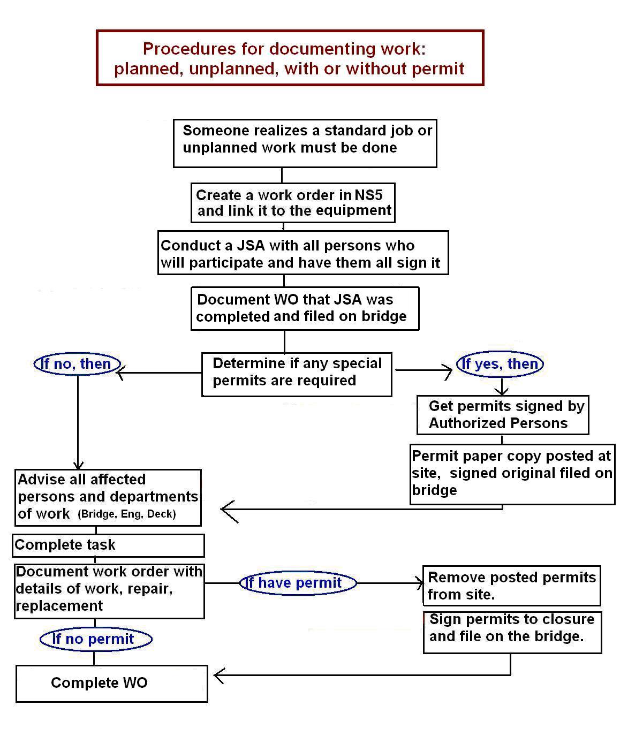
Directions for Completing an Energy Isolation Permit

The TDI-Brooks Permit to Work System is described in detail in SOP-GEN-012B of the Safety Management Manual. The procedures for conducting an Energy Isolation task are detailed in SOP-GEN-007I.

